Problem Statement
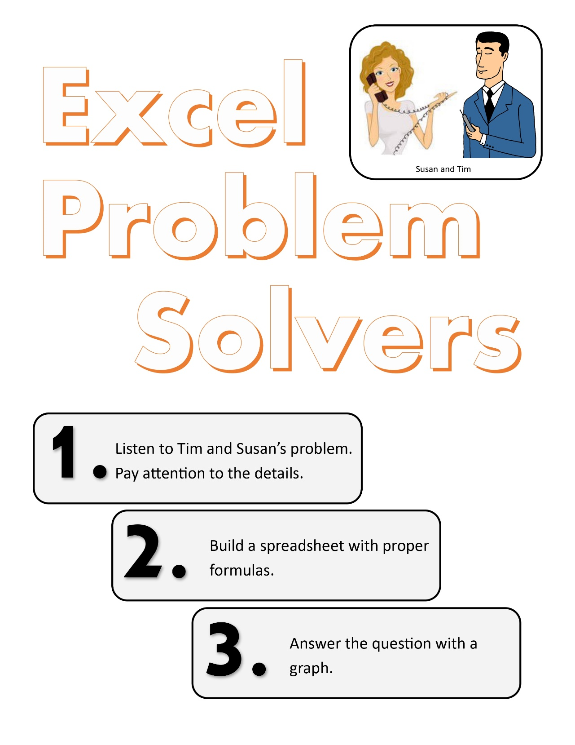
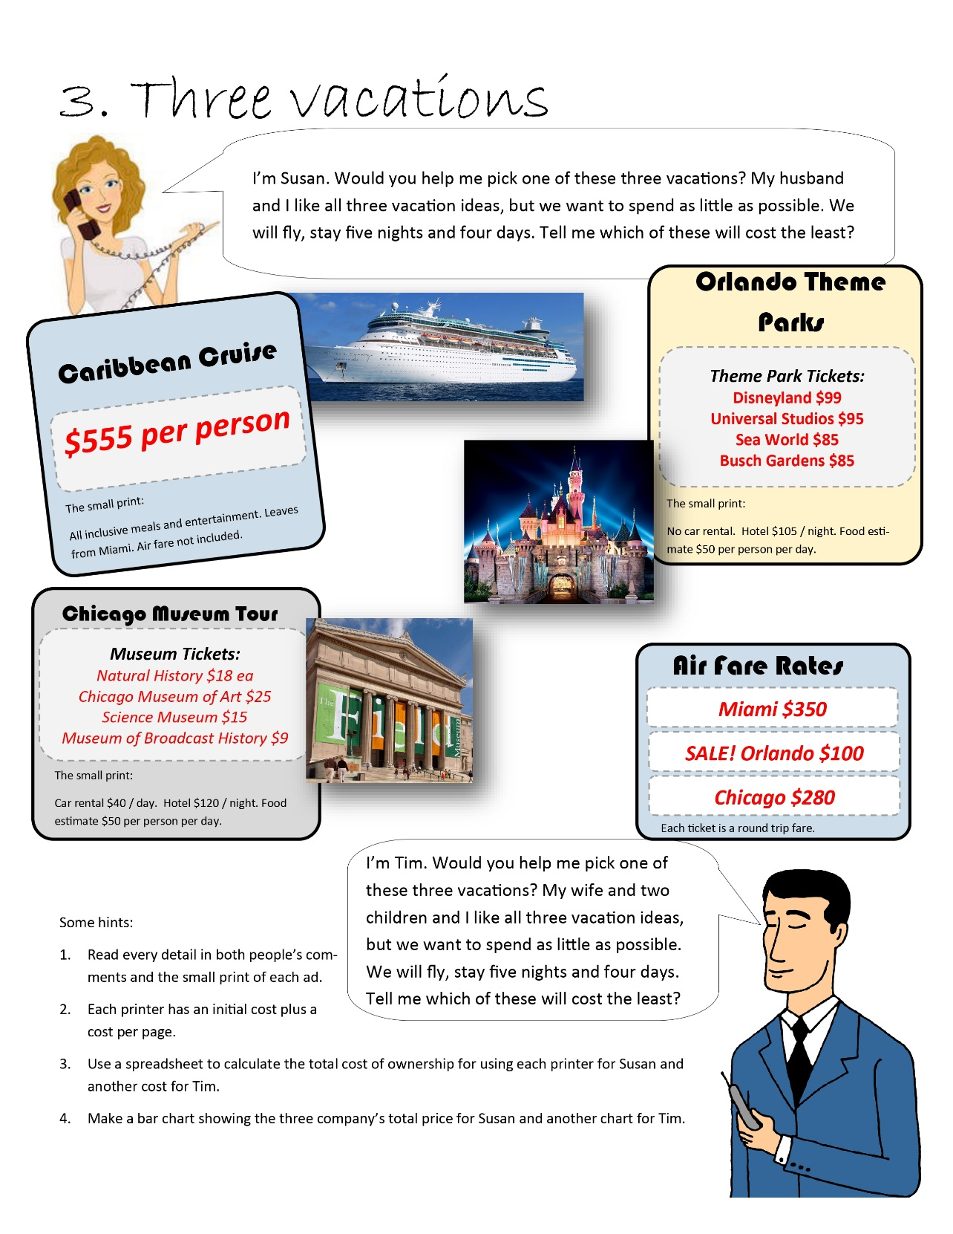

Three Vacations
Susan | Chicago Museum | Orlando Theme Park | Miami Cruise | Tim | Chicago Museum | Orlando Theme Park | Miami Cruise

Per Person Expenses |  |  |  | Per Person Expenses
Air Fare | $280.00 | $100.00 | $350.00 | Air Fare | $280.00 | $100.00 | $350.00
Natural History | $18.00 | $0.00 | $0.00 | Natural History | $18.00 | $0.00 | $0.00
Chicago Museum of Art | $25.00 | $0.00 | $0.00 | Chicago Museum of Art | $25.00 | $0.00 | $0.00
Science Museum | $15.00 | $0.00 | $0.00 | Science Museum | $15.00 | $0.00 | $0.00
Museum of Broadcast History | $9.00 | $0.00 | $0.00 | Museum of Broadcast History | $9.00 | $0.00 | $0.00
Disneyland | $0.00 | $99.00 | $0.00 | Disneyland | $0.00 | $99.00 | $0.00
Universal Studios | $0.00 | $95.00 | $0.00 | Universal Studios | $0.00 | $95.00 | $0.00
Sea World | $0.00 | $85.00 | $0.00 | Sea World | $0.00 | $85.00 | $0.00
Busch Gardens | $0.00 | $85.00 | $0.00 | Busch Gardens | $0.00 | $85.00 | $0.00
Cruise | $0.00 | $0.00 | $555.00 | Cruise | $0.00 | $0.00 | $555.00

Subtotal of Tickets (per person) | $347.00 | $464.00 | $905.00 | Subtotal of Tickets (per person) | $347.00 | $464.00 | $905.00
Number of People in group | 2 | 2 | 2 | Number of People in group | 4 | 4 | 4
Total costs of tickets | $694.00 | $928.00 | $1,810.00 | Total costs of tickets | $1,388.00 | $1,856.00 | $3,620.00

Hotel Expenses |  |  |  | Hotel Expenses
Hotel Cost per Night | $120.00 | $105.00 | $0.00 | Hotel Cost per Night | $120.00 | $105.00 | $0.00
Number of Nights | 5 | 5 | 5 | Number of Nights | 5 | 5 | 5
Hotel Total | $600.00 | $525.00 | $0.00 | Hotel Total | $600.00 | $525.00 | $0.00

Car Expenses |  |  |  | Car Expenses
Car Rental | $40.00 | $0.00 | $0.00 | Car Rental | $40.00 | $0.00 | $0.00
Number of Days | 4 | 4 | 4 | Number of Days | 4 | 4 | 4
Car Total | $160.00 | $0.00 | $0.00 | Car Total | $160.00 | $0.00 | $0.00

Food Expenses |  |  |  | Food Expenses
Food | $50.00 | $50.00 | $0.00 | Food | $50.00 | $50.00 | $0.00
Number of People in group | 2 | 2 | 2 | Number of People in group | 4 | 4 | 4
Number of Days | 5 | 5 | 5 | Number of Days | 5 | 5 | 5
Food Total | $500.00 | $500.00 | $0.00 | Food Total | $1,000.00 | $1,000.00 | $0.00

Total Expenses |  |  |  | Total Expenses
Total | $1,954.00 | $1,953.00 | $1,810.00 | Total | $3,148.00 | $3,381.00 | $3,620.00

Susan's Total Expense
Tim's Total Expense

